Prototype Model
Prototype Description | Small Office Building (02000CZ-OffSml) | Medium Office Building ((0300CZ-OffMed)) | Large Office Building (0400CZ-OffLrg) | Retail Medium (0500CZ-RetlMed) | Strip Mall-PSZ System (1000CZ-RetlStrp) | Strip Mall-PTAC System (1000CZ-RetlStrp) | Large Office Building (0400CZ-OffLrg-CRAH) | Medium Office Building ((0300CZ-OffMed-LabwExhPVAV))
Vintage | New Construction | New Construction | New Construction | New Construction | New Construction | New Construction | Same As Off Lrg | Same As Off Med
Location | CZ-6/15/16 | CZ-6/16 | CZ-7/6/16 | CZ-6/7/15 | CZ-6/15 | CZ-6/15
Fuel Type | gas, electricity | gas, electricity | gas, electricity | gas, electricity | gas, electricity | Same as Strip Mall- PSZ System
Total Floor Area (sq feet) | 5502 (90.8 ft x 60.5ft) | 53600 (163.8 ft x 109.2 ft) | 498,600 (240 ft x 160 ft) | 24695 (178 ft x 139 ft) | 22,500 ft² (300 ft x 75 ft)
Building shape | 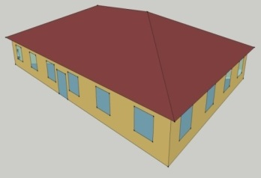 | 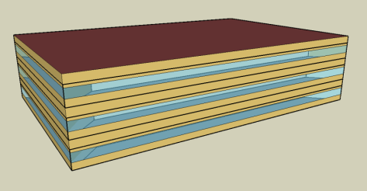
Aspect Ratio | 1.5 | 1.5 | 1.5 | 1.28 | 4
Number of Floors | 1 | 3 | 13 (Including basement) | 1 | 1
Window Fraction (Window-to-Wall Ratio) | 24.4% for South and 19.8% for the other three orientations (Window Dimensions: 6.0 ft x 5.0 ft punch windows for all façades) | 33% (Window Dimensions: 163.8 ft x 4.29 ft on the long side of facade 109.2 ft x 4.29 ft on the short side of the façade) | 40% of above-grade gross walls 37.5% of gross walls (including the below-grade walls) | 7.1% (Window Dimensions: 82.136 ft x 5 ft, 9.843 ft x 8.563 ft and 82.136 ft x 5 on the street facing facade) | 10.5% (Window Dimensions: 24 windows, 7 ft x 5 ft each and 12 doors, 6 ft x 7 ft each, on the street facing façade with south WWR 26%)
Window Locations | evenly distributed along four façades | evenly distributed along four façades | evenly distributed along four façades | Windows only on the street facing façade (25.4% WWR) | Windows only on the street facing façade
Shading Geometry | none | none | none | none | none
Azimuth | non-directional | non-directional | non-directional | non-directional | non-directional
Thermal Zoning | Perimeter zone depth: 16.4 ft. Four perimeter zones, one core zone and an attic zone. Percentages of floor area: Perimeter 70%, Core 30% | Perimeter zone depth: 15 ft. Each floor has four perimeter zones and one core zone. Percentages of floor area: Perimeter 40%, Core 60% | Perimeter zone depth: 15 ft. Each floor has four perimeter zones and one core zone. Percentages of floor area: Perimeter 33%, Core 67% | Five thermal zones Refer StandAloneRetailArea for details | 10 thermal zones (from left to right): LGStore1 (Type 1), SMStore1 (Type 1), SMStore2 (Type 2), SMStore3 (Type 3), SMStore4 (Type 2), LGStore2 (Type 3), SMStore5 (Type 3), SMStore6 (Type 3), SMStore7 (Type 3), and SMStore8 (Type 3). Refer StripMallArea for details
Back_Space
Core_Retail
Front_Entry
Point_of_Sale
Front_Retail
Floor to floor height (feet) | 10.7 | 13 | 13, Basement - 8 | 20 | 17
Floor to ceiling height (feet) | 10 | 9 (4 ft above-ceiling plenum) | 9 | 20 (Core retail, Front Entry) 15 (Point of Sale, Front Retail, Back Space) | 17
Glazing sill height (feet) | 3 (top of the window is 8 ft high with 5 ft high glass) | 3.35 ft (top of the window is 7.64 ft high with 4.29 ft high glass) | 3 ft | 3.74 ft (top of the window is 8.73 ft high with 5 ft high glass) | 3.0 ft (top of the window is 8 ft high)
Exterior walls
Construction | Metal Framed Wall | Metal Framed Wall | Metal Framed Wall | Metal Framed Wall | Metal Framed Wall
Construction Assembly Layers | Refer MetalFrameWall | Refer MetalFrameWall | Refer MetalFrameWall | Refer MetalFrameWall | Refer MetalFrameWall
 |  |  | Refer BasementWall
U-factor (Btu / h * ft2 * °F) and/or R-value (h * ft2 * °F / Btu) | 0.062 | 0.062 | Exterior Wall U: 0.062 | 0.062 | 0.062
Roof
Construction | Attic Roof with wood joist | Roof | Roof | Roof | NACM Roof
Construction Assembly Layers | Refer NACM_AtticRfWood | Refer Roof | Refer Roof | Refer Roof | Refer Roof
U-factor (Btu / h * ft2 * °F) | 0.049 | 0.034 | 0.034 | 0.034 | 0.034
Aged Solar Reflectance Aged Thermal Emittance | 0.2 0.85 | 0.08 0.75 | 0.08 0.75 | 0.08 0.75 | 0.08 0.75
Tilts and orientations | Hipped roof: 10.76 ft attic ridge height, 2 ft overhang-soffit | Horizontal | Horizontal | Horizontal | Horizontal
Window
Glass-Type and frame | Fixed vertical window with U-value and SHGC as specified. | Fixed vertical window with U-value and SHGC as specified. | Fixed vertical window with U-value and SHGC as specified. | Fixed vertical window with U-value and SHGC as specified. | Fixed vertical window with U-value and SHGC as specified.
U-factor (Btu / h * ft2 * °F) | 0.36 | 0.36 | 0.36 | 0.36 | 0.36
SHGC | 0.25 | 0.25 | 0.25 | 0.25 | 0.25
Visible transmittance | 0.42 | 0.42 | 0.42 | 0.42 | 0.42
Operable area | 0 | 0 | 0 | 0 | 0
Skylight | NA | NA | NA
Dimensions |  |  |  | Skylight to Roof Ratio- 2.07 % Core Retail, Refer Skylight Layout for details | Skylight to Roof Ratio- 0.85 %
Glass-Type and frame |  |  |  | Glass, curb mounted skylight with U-value and SHGC as specified. | Glass, curb mounted skylight with U-value and SHGC as specified.
U-factor (Btu / h * ft2 * °F) |  |  |  | 0.58 | 0.58
SHGC |  |  |  | 0.25 | 0.25
Visible transmittance |  |  |  | 0.49 | 0.49
Foundation
Foundation Type | NACM Slab Floor F-factor method | Slab Floor F-factor method | Slab Floor F-factor method | Slab Floor F-factor method | NACM Slab Floor F-factor method
Construction | Unheated Slab on Grade with 12 in Horizontal R-5 Insulation | Unheated Slab on Grade with 12 in Horizontal R-5 Insulation | Unheated Slab on Grade with 12 in Horizontal R-5 Insulation | Unheated Slab on Grade with 12 in Horizontal R-5 Insulation | Unheated Slab on Grade with 12 in Horizontal R-5 Insulation
F factor (Btu / h * ft2 * °F) | F factor= 0.72 | 0.72 | 0.72 | F factor= 0.72 | F factor= 0.72
Thermal properties for basement walls | NA | NA | Refer BasementWall for detailed description | NA | NA
Interior Surfaces
Construction | 2x4 uninsulated Stud Wall | Uninsulated Stud Wall Interior Walls, Concrete with carpet for interior floor slabs, 3/4 in Acoustic celing tile for Drop ceiling | Uninsulated Stud Wall Interior Walls, Concrete with carpet for interior floor slabs, 3/4 in Acoustic celing tile for Drop ceiling | Uninsulated Stud Wall Interior Walls, Concrete with carpet for interior floor slabs, 3/4 in Acoustic celing tile for Drop ceiling | Uninsulated Stud Wall Interior Walls, Concrete with carpet for interior floor slabs, 3/4 in Acoustic celing tile for Drop ceiling
Construction Assembly Layers | NACM Interior wall Drop Ceiling | Interior wall Interior Floor slab Drop Ceiling | Interior wall Interior Floor slab Drop Ceiling | Interior wall | Interior wall
Air Barrier System
Infiltration | Peak: 0.0448 cfm/sf of above grade exterior wall surface area (when fans turn off) Off Peak: 25% of peak infiltration rate (when fans turn on) | 0.0448 cfm/sf of above grade exterior wall surface area (when fans turn off) | 0.0448 cfm/sf of above grade exterior wall surface area (when fans turn off) | 0.0448 cfm/sf of above grade exterior wall surface area | 0.0448 cfm/sf of above grade exterior wall surface area
HVAC System Type
System Type | Packaged single zone air conditioning unit | Packaged VAV with hot-water reheat with one system per floor serving all zones in the floor | VAV with hot-water reheat with one system per floor serving all zones in the floor | Idirectly Conditioned Front_entry, Packaged single zone air conditioning unit for other zones. | Packaged single zone (One PSZ per zone) | Packaged Terminal Air Conditioner (One PTAC per zone) | VAV with hot-water reheat with one system per floor serving all zones in the floor. Core Top space is a Computer Room served by a CRAH system. | Packaged VAV with hot-water reheat with one system per floor serving all zones in the floor. Core Mid is a Lab served by PVAV and an Exhaust system.
Heating type | Gas furnace inside the packaged air conditioning unit | Gas condensing boiler | Gas condensing boiler | Unconditioned for front_entry. Gas furnace inside the packaged air conditioning unit for all others. | Gas furnace | Electric heating | Gas condensing boiler. No heating in CRAH | Gas condensing boiler
Cooling type | Packaged air conditioning unit | Direct Expansion | Water cooled Centrifugal chillers (2) | No cooling for front_entry. Packaged air conditioning unit for all others | Single speed DX cooling | Single speed DX cooling | Water cooled Centrifugal chillers (2) | Direct Expansion
Distribution and terminal units | Single zone constant air volume distribution. | VAV terminal box with damper and hot-water reheating coil with Dual maximum control logic. Zone control type: minimum supply air at 20% of the zone maximum air flow rate. | VAV terminal box with damper and hot-water reheating coil with Dual maximum control logic. Zone control type: minimum supply air at 20% of the zone maximum air flow rate. | Constant air volume air distribution 4 single-zone roof top units serving thermal zones back_space, point_of_sale, core_retail, and front_retail. | Single zone Constant air volume distribution | Constant Air Volume distribution | VAV terminal box with damper and hot-water reheating coil with Dual maximum control logic. Zone control type: minimum supply air at 30% of the zone maximum air flow rate. | VAV terminal box with damper and hot-water reheating coil with Dual maximum control logic. Zone control type: minimum supply air at 20% of the zone maximum air flow rate in all zones except Core mid. 40% min flow rate in Core Mid
HVAC Sizing
Cooling | Refer SizingValues | Refer SizingValues | Refer SizingValues | Refer SizingValues | Refer SizingValues | Refer SizingValues | Refer SizingValues | Refer SizingValues
Heating | Refer SizingValues | Refer SizingValues | Refer SizingValues | Refer SizingValues | Refer SizingValues | Refer SizingValues | Refer SizingValues | Refer SizingValues
HVAC Efficiency
Cooling | EER-10.8 | EER-11.00, IEER-12.1 (Bottom VAV, Mid and Top VAV). Note: EER, COP includes fan heat | 0.560 kw/ton, 0.5 IPLV | EER-11.20, IEER- 12.9, SEER-13.6. Indirect Heating and Cooling for front_entry) Note: EER, COP includes fan heat | EER-11.20, IEER-12.9, SEER- 13.6 Note: EER, COP includes fan heat | EER-11.20, IEER-12.9, SEER- 13.6 Note: EER, COP includes fan heat | 0.560 kw/ton, 0.5 IPLV | EER-11.00 , IEER-12.4 Note: EER, COP includes fan heat
Heating | 82% | 80% | 80% | 82% | 82% | NA | 80% | 80%
HVAC Control
Thermostat Setpoint | 75°F Cooling/70°F Heating | 75°F Cooling/70°F Heating | 75°F Cooling/70°F Heating | 75°F Cooling/70°F Heating | 75°F Cooling/70°F Heating | 75°F Cooling/70°F Heating | 75°F Cooling/70°F Heating | 75°F Cooling/70°F Heating
Thermostat Setback | 85°F Cooling/60°F Heating | 85°F Cooling/60°F Heating | 85°F Cooling/60°F Heating | 85°F Cooling/60°F Heating | 85°F Cooling/60°F Heating | 85°F Cooling/60°F Heating | 85°F Cooling/60°F Heating | 85°F Cooling/60°F Heating
Design Supply air temperature | Maximum 95F, Minimum 55F | Cooling 55F Heating 95 F | Cooling 55F Heating 95 F | Cooling 55F Heating 95 F | Cooling 55F Heating 95 F | Cooling 55F Heating 95 F | Cooling 55F Heating 95 F | Cooling 55F Heating 95 F
Supply air temperature reset | NA | SAT reset by warmest zone airflow first (Reset Supply high: 60 F, reset supply low: 55F) | SAT reset by warmest zone airflow first (Reset Supply high: 60 F, reset supply low: 55F) | No SAT Control | No SAT Control | No SAT Control | SAT reset by warmest zone airflow first (Reset Supply high: 60 F, reset supply low: 55F) | SAT reset by warmest zone airflow first (Reset Supply high: 60 F, reset supply low: 55F)
Zone control |  | DDC at zone level and Dual Max Reheat control | DDC at zone level and Dual Max Reheat control | CO2 sensor |  |  | DDC at zone level and Dual Max Reheat control | DDC at zone level and Dual Max Reheat control
Chilled water supply temperatures | NA | NA | 44°F | NA | NA | NA | 44°F | NA
Chilled water return temperatures | NA | NA | 64°F | NA | NA | NA | 64°F | NA
Chilled water supply temperature reset | NA | NA | Fixed | NA | NA | NA | Fixed | NA
Condenser Type | NA | NA | Water-cooled, no reset | NA | NA | NA | Water-cooled, no reset | NA
Hot water supply temperatures | NA | 180°F | 180°F | NA | NA | NA | 180°F | 180°F
Hot water supply temperature reset | NA | Fixed | Fixed | NA | NA | NA | Fixed | Fixed
Economizers | No economizer | Differential Dry bulb economizer (Integrated), 80 F High DB lockout | Differential Dry bulb economizer (Integrated), 80 F High DB lockout | Differential Dry bulb economizer (Integrated), 80F high DB lockout | Differential Dry bulb economizer (Integrated), 80F high DB lockout | No economizer | Differential Dry bulb economizer (Integrated), 80 F High DB lockout | Differential Dry bulb economizer (Integrated), 80 F High DB lockout
Ventilation | 0.15 cfm/ft2 | Max of 15 cfm/person, 0.15 cfm/ft2, | Max of 15 cfm/person, 0.15 cfm/ft2, | Point of Sale & Core and Front Retail -0.2 cfm/ft2; Backspace, Front Entry-0.15 cfm/ft2 | Max of 15 cfm/person or 0.20 cfm/ft2 | DOAS system for ventilation. CO2 sensors. Max of 15 cfm/person or 0.20 cfm/ft2 | Max of 15 cfm/person, 0.15 cfm/ft2, | Max of 15 cfm/person, 0.15 cfm/ft2,
Supply Fan
Fan type | CAV | Variable Volume | Constant volume for Basement, Variable Volume for all others | Constant Volume for all Conditioned zones | OnOff | OnOff | Constant volume for Basement, Variable Volume for all others | Variable Volume
Supply Fan Total Efficiency (%) | 55%, 50% | 65% | 65% (for all VAV fans) | 60% (all fans) | 60% | 60% | 65% (for all VAV fans) | 60% Exhaust Fan, 65% -VAV and Lab VAV fans.
Fan Motor Efficiency | 85.50% | 95.0% | 95% | 90% (all fans) | 90.00% | 95.00% | 95% | 95% for all VAV fans. Exhaust Fan 90%
Supply Fan Pressure Rise | 2.5 ftinH2O | 4 inch H2O | 4 inH2O | 2.5in H2O (all fans) | 2.50 inH2O | 1.50 inH2O | 4 inH2O | 4.0 in H20 for all VAV. 0.5 for Exhaust Fan
Pump |  |  |  |  |  |  |  | Same as Off-Med
Pump Type | NA | HW: Constant Speed | HW: Constant Speed variable flow, Cooling Tower:Constant Speed, CHW: Variable Primary | NA | NA | NA | HW: Constant Speed variable flow, Cooling Tower:Constant Speed, CHW: Variable Primary
Rated Pump Head | NA | HW: 50 ft H20 | HW: 40 ft H20 Cooling Tower: 40 ft H20 Chiller Pumps: 60 ft H20 | NA | NA | NA | HW: 40 ft H20 Cooling Tower: 40 ft H20 Chiller Pumps: 60 ft H20
Pump Efficiency | NA | Motor efficiency- HW: 0.9 | 0.9 | NA | NA | NA | 0.9
Cooling Tower |  |  |  |  |  |  | Same As Off Lrg
Cooling Tower Type | NA | NA | open cooling tower with variable speed fan | NA | NA | NA
Tower range | NA | NA | 10F delta T | NA | NA | NA
Service Water Heating
SWH type | Storage Tank | Storage Tank | Storage Tank | Tank | Tank | Same as Strip Mall- PSZ System
Fuel type | Natural Gas | Natural Gas | Natural Gas | Natural Gas | Natural Gas
Efficiency | 80% | EF: 0.637, Recovery Eff: 0.780 | TE: 80% | EF: 0.637, Recovery Eff: 0.780 | EF: 0.637, Recovery Eff: 0.780
Water temperature setpoint | 135°F | 135°F | 135 °F | 135°F | 135°F
Water Heater Max Capacity (Btuh) | 6655 Btuh | 24,949 Btuh | 231,958 Btuh | 32,328 Btuh | 34,888 Btuh
Lighting Load
Lighting power density (W/ft2) | 0.75 W/ft2 | 0.75 W/ft2 | 0.75 W/ft2 | Point of sale, Retail-1.2 W/ft2,, Lobby-0.95 W/ft2, Backspace-0.6 W/ft2 | 1.2 W/ft2 |  |  | Core Mid: 1.4 W/ft2 All other spaces:0.75 W/ft2
Daylighting Controls | NA | Continuous dimming in Primary Daylit areas in Perimeter zones | Continuous dimming in Primary and Secondary Daylit zone in Perimeter zones | Continuous Dimming in Skylit area in Core Retail and in Primary Daylit in Front Entry, Front Retail, Point of Sale | Continuous Dimming in Skylit, Primary and Secondary Daylit areas in all zones. |  |  | Continuous dimming in Primary Daylit zone in Perimeter zones
Plug load
Electric power density (W/ft2) | 1.5 W/ft2 | 1.5 W/ft2 | 1.5 W/ft2 | Point of sale, Retail-1.0 W/ft2, Backspace-0.2 W/ft2, Front entry: 0.5 W/ft2 | 1 W/ft2 |  | Core Top: 20.0 W/ft2 All other spaces: 1.5 W/ft2 | Core Mid: 2.0 W/ft2 All other spaces: 1.5 W/ft2 Hood Dominated Process exhaust in Core mid zone
Occupancy
Average people | 100- ft2/person | 200 ft2/person | 200 ft2/person | Point of sale, Retail - 60 ft2/person, Back Space- 997 ft2/person, Front Entry - 30 ft2/person | 60 ft2/person |  | Core Top: 60 ft2/person All other spaces: 200 ft2/person | 200 ft2/person
Elevator
Quantity | NA | NA | NA | NA | NA |  | NA | NA
Motor type
Peak Motor Power (W/elevator)
Heat Gain to Building
Peak Fan/lights Power (W/elevator)
Motor and fan/lights Schedules

Zonelvl
LARGE OFFICE
Baseline Case Daylighting | Zone | Prim. Daylit Area [ft2] | Sec. Daylit Area [ft2] | Skylit Area [ft2] | Ref.Pt 1 Location | Ref.Pt 2 Location | Ref.Pt 1 Ctrl Fraction | Ref. Pt 2 Ctrl Fraction | Illum. Setpt in Ref. Pt 1 | Illum. Setpt in Ref. Pt 2
 | Perimeter_ZN_1 | 1901 | 1471 | 0 | X: 119.93 ft, Y: 8.20 ft, Z: 2.50 ft | X: 119.93 ft, Y: 14.75ft, Z: 2.50 ft | 0.563 | 0.436 | 287.5 lux | 287.5 lux
 | Perimeter_ZN_2 | 1239 | 934 | 0 | X: 225.08 ft, Y: 79.95 ft, Z: 2.50 ft | X: 231.65 ft, Y: 79.95 ft, Z: 2.50 ft | 0.570 | 0.429 | 287.5 lux | 287.5 lux
 | Perimeter_ZN_3 | 1901 | 1471 | 0 | X: 119.93 ft, Y: 8.20 ft, Z: 2.50 ft | X: 119.93 ft, Y: 14.75ft, Z: 2.50 ft | 0.563 | 0.436 | 287.5 lux | 287.5 lux
 | Perimeter_ZN_4 | 1239 | 934 | 0 | X: 225.08 ft, Y: 79.95 ft, Z: 2.50 ft | X: 231.65 ft, Y: 79.95 ft, Z: 2.50 ft | 0.570 | 0.429 | 287.5 lux | 287.5 lux

WWR20 Case Daylighting | Perimeter_ZN_1 | 1901 | 1471 | 0 | X: 119.93 ft, Y: 8.20 ft, Z: 2.50 ft | X: 119.93 ft, Y: 14.75ft, Z: 2.50 ft | 0.563 | 0.436 | 287.5 lux | 287.5 lux
 | Perimeter_ZN_2 | 1239 | 934 | 0 | X: 231.65 ft, Y: 79.95 ft, Z: 2.50 ft | X: 225.08 ft, Y: 79.95 ft, Z: 2.50 ft | 0.570 | 0.429 | 287.5 lux | 287.5 lux
 | Perimeter_ZN_3 | 1901 | 1471 | 0 | X: 119.93 ft, Y: 8.20 ft, Z: 2.50 ft | X: 119.93 ft, Y: 14.75ft, Z: 2.50 ft | 0.563 | 0.436 | 287.5 lux | 287.5 lux
 | Perimeter_ZN_4 | 1239 | 934 | 0 | X: 231.65 ft, Y: 79.95 ft, Z: 2.50 ft | X: 225.08 ft, Y: 79.95 ft, Z: 2.50 ft | 0.570 | 0.429 | 287.5 lux | 287.5 lux

WWR60 Case Daylighting | Perimeter_ZN_1 | 1901 | 1471 | 0 | X: 119.93 ft, Y: 8.20 ft, Z: 2.50 ft | X: 119.93 ft, Y: 14.75ft, Z: 2.50 ft | 0.563 | 0.436 | 287.5 lux | 287.5 lux
 | Perimeter_ZN_2 | 1239 | 934 | 0 | X: 231.65 ft, Y: 79.95 ft, Z: 2.50 ft | X: 225.08 ft, Y: 79.95 ft, Z: 2.50 ft | 0.570 | 0.429 | 287.5 lux | 287.5 lux
 | Perimeter_ZN_3 | 1901 | 1471 | 0 | X: 119.93 ft, Y: 8.20 ft, Z: 2.50 ft | X: 119.93 ft, Y: 14.75ft, Z: 2.50 ft | 0.563 | 0.436 | 287.5 lux | 287.5 lux
 | Perimeter_ZN_4 | 1239 | 934 | 0 | X: 231.65 ft, Y: 79.95 ft, Z: 2.50 ft | X: 225.08 ft, Y: 79.95 ft, Z: 2.50 ft | 0.570 | 0.429 | 287.5 lux | 287.5 lux

STAND ALONE RETAIL
Name | Area [ft2] | Conditioned
BACK_SPACE | 4089 | Yes
CORE_RETAIL | 17227 | Yes
POINT_OF_SALE | 1623 | Yes
FRONT_RETAIL | 1623 | Yes
FRONT_ENTRY | 129 | Yes
Conditioned Total | 24692
Unconditioned Total | 0

Baseline Case Daylighting | Zone | Prim. Daylit Area [ft2] | Sec. Daylit Area [ft2] | Skylit Area [ft2] | Ref.Pt 1 Location | Ref.Pt 2 Location | Ref.Pt 1 Ctrl Fraction | Ref. Pt 2 Ctrl Fraction | Illum. Setpt in Ref. Pt 1 | Illum. Setpt in Ref. Pt 2 | SRR3.04 Case Daylighting | Zone | Prim. Daylit Area [ft2] | Sec. Daylit Area [ft2] | Skylit Area [ft2] | Ref.Pt 1 Location | Ref.Pt 2 Location | Ref.Pt 1 Ctrl Fraction | Ref. Pt 2 Ctrl Fraction | Illum. Setpt in Ref. Pt 1 | Illum. Setpt in Ref. Pt 2
 | Core_Retail | NA | NA | 16742.62 | UnderSkylight | NA | 0.970 |  | 550 lux |  |  | Core_Retail | NA | NA | 16935 | UnderSkylight | NA | 0.970 |  | 550 lux
 | Point_Of_Sale | 718 | NA | NA | In Prim. Daylit Zn | NA | 0.442 |  | 550 lux |  |  | Point_Of_Sale | 717 | NA | NA | In Prim. Daylit Zn | NA | 0.442 |  | 550 lux
 | Front_Retial | 718 | NA | NA | In Prim. Daylit Zn | NA | 0.442 |  | 550 lux |  |  | Front_Retial | 717 | NA | NA | In Prim. Daylit Zn | NA | 0.442 |  | 550 lux
 | Front_Entry | 114 | NA | NA | In Prim. Daylit Zn | NA | 0.880 |  | 550 lux |  |  | Front_Entry | 86 | NA | NA | In Prim. Daylit Zn | NA | 0.880 |  | 550 lux

Baseline Skylight Layout |  |  |  |  |  |  |  |  |  |  | TestCase Skylight Layout
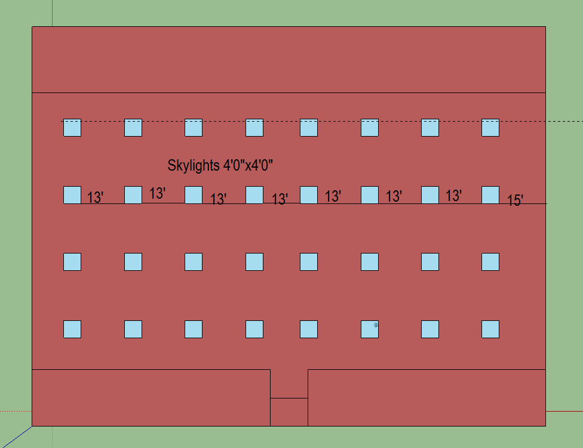
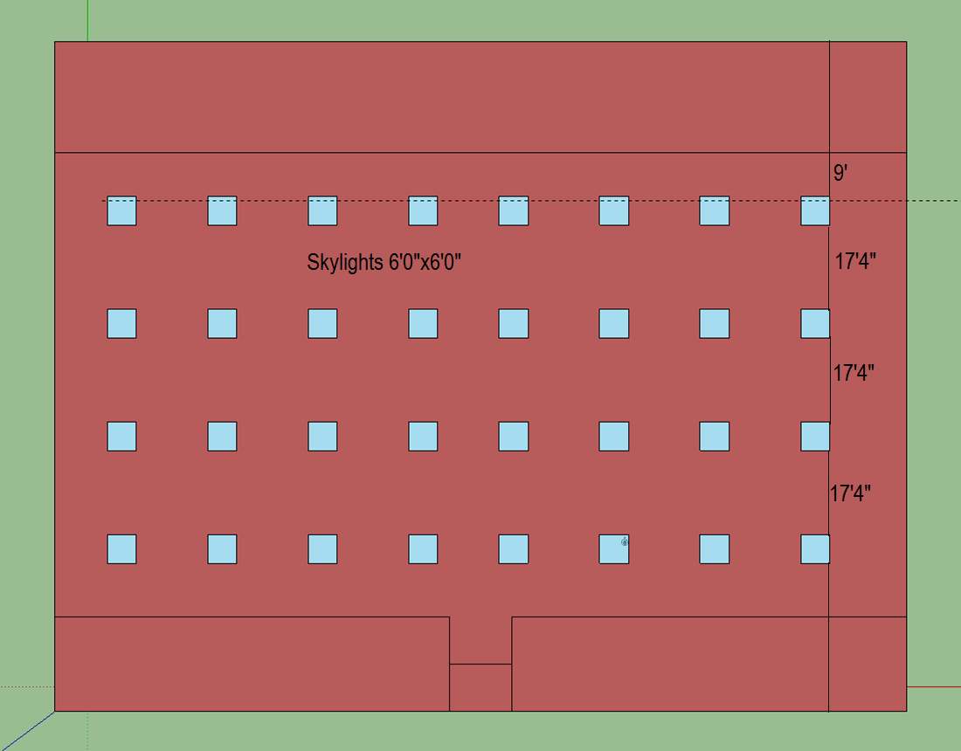

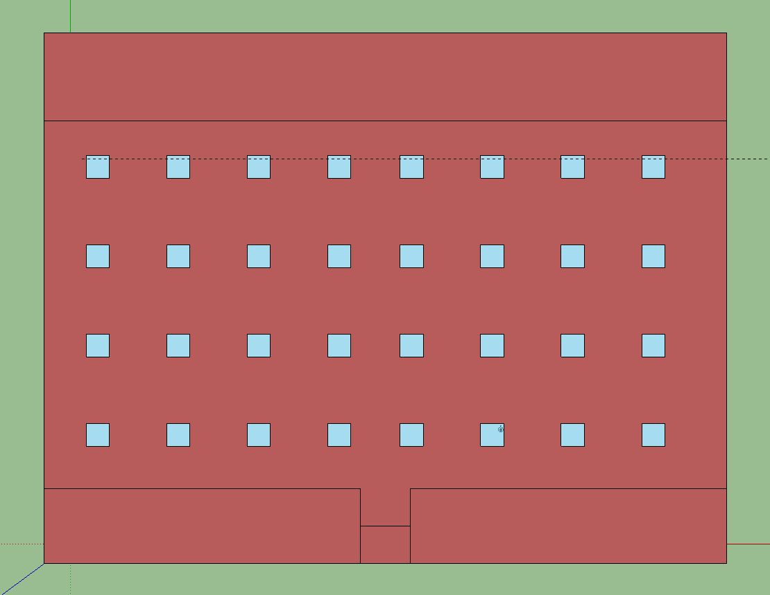

STRIP MALL
Name | Area [ft2] | Conditioned
LGSTORE1 | 3750 | Yes
SMSTORE1 | 1875 | Yes
SMSTORE2 | 1875 | Yes
SMSTORE3 | 1875 | Yes
SMSTORE4 | 1875 | Yes
LGSTORE2 | 3750 | Yes
SMSTORE5 | 1875 | Yes
SMSTORE6 | 1875 | Yes
SMSTORE7 | 1875 | Yes
SMSTORE8 | 1875 | Yes
Total | 18750
Conditioned Total | 18750
Unconditioned Total | 0

Skylight Layout

